Instructions
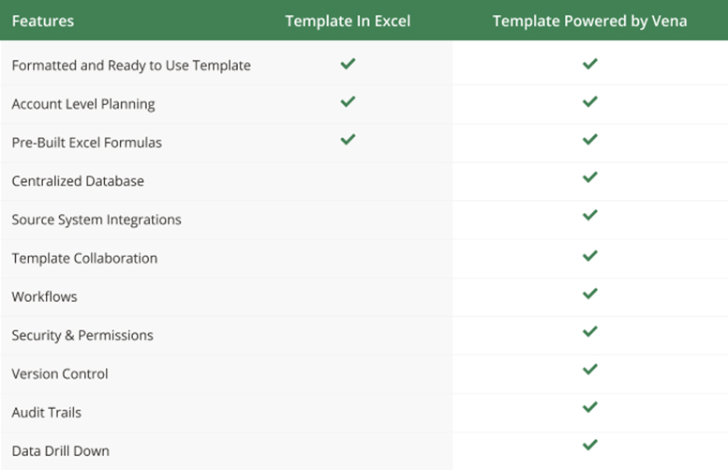

Instructions
Using Vena Excel Templates in 'Basic' Excel
Medical Revenue Planning

Apply your own colors & branding
Go to 'Page Layout', then 'Themes' to select from other color formats and fonts.
Go to 'Home', then 'Cell styles' to reformat the appearance and colors of different included cell types.

Set-Up
Put all of the locations, years, and labor types that you want to plan for in the assumptions below.
This will automatically feed the controls input tab with options to select each location and year, as well as populate the labor types in the input areas.
Select the year and location that you want to revenue plan for, and input your actual or plan data for each section.
Contact a Vena rep to learn how any selection of year or location specific data can automatically save & populate with Vena

Revenue Planning
You will notice that the data from the controls input tab automatically populates in the revenue planning tab.
You can then input appropriate data for the pricing distribution and revenue seasonality sections.
The revenue by month and by labor type will then automatically be calculated below.
The graph allows you to more easily visualize this revenue data to analyze trends.

Combine with other Entities / Departments / Cost Centers / Profit Centers
Aggregate sheets together using excel logic
Contact a Vena rep to learn more about automatically aggregating your labour expenses

Assumptions

Locations | Years | Labor Type
Location A | 2021 | Dentist
Location B | 2022 | Orthodontist
Location C | 2023 | Family Medicine
Location D | 2024 | Internal Medicine
Location E | 2025 | Nutrition
Location F | 2026 | Pediatrics
Location G | 2027 | Optometry
Location H | 2028 | Behavioral Health

Revenue Planning
Revenue Planning
Location A, 2022

Controls by Sector

 | Years of Service |  |  |  |  |  | Number of Visits per YoS Laborer |  |  |  |  |  | Rate ($)
Labor Type | 0-5 | 5-10 | 10-15 | 15+ | FTE |  | 0-5 | 5-10 | 10-15 | 15+ | Total |  | Private | Public | Other
Dentist | 6.0 | 2.0 | 3.0 | 1.0 | 12 |  | 1,110 | 1,125 | 1,150 | 1,175 | 13,535 |  | 200 | 180 | 135
Orthodontist | - | 3.0 | 2.0 | - | 5 |  | 1,110 | 1,125 | 1,150 | 1,175 | 5,675 |  | 200 | 180 | 135
Family Medicine | 1.0 | 9.0 | 2.0 | - | 12 |  | 1,100 | 1,125 | 1,150 | 1,175 | 13,525 |  | 200 | 180 | 135
Internal Medicine | - | 1.0 | 2.0 | - | 3 |  | 1,100 | 1,125 | 1,150 | 1,175 | 3,425 |  | 200 | 180 | 135
Nutrition | - | 4.0 | 1.0 | 1.0 | 6 |  | 1,100 | 1,125 | 1,150 | 1,175 | 6,825 |  | 200 | 180 | 135
Pediatrics | 1.0 | 4.0 | 1.0 | 2.0 | 8 |  | 1,100 | 1,125 | 1,150 | 1,175 | 9,100 |  | 200 | 180 | 135
Optometry | - | 4.0 | 3.0 | - | 7 |  | 1,100 | 1,125 | 1,150 | 1,175 | 7,950 |  | 400 | 360 | 270
Behavioral Health | 1.0 | - | 1.0 | - | 2 |  | 1,100 | 1,125 | 1,150 | 1,175 | 2,250 |  | 200 | 180 | 135

Total | 9 | 27 | 15 | 4 | 55 |  | 8,820 | 9,000 | 9,200 | 9,400 | 62,285 |  | 1,800 | 1,620 | 1,215

Pricing Inputs

 | Payor Mix
Labor Type | Private | Public | Other | Total
Dentist | 35.0% | 45.0% | 20.0% | 100%
Orthodontist | 30.0% | 30.0% | 40.0% | 100%
Family Medicine | 80.0% | 20.0% |  | 100%
Internal Medicine | 40.0% | 40.0% | 20.0% | 100%
Nutrition | 40.0% | 40.0% | 20.0% | 100%
Pediatrics | 40.0% | 40.0% | 20.0% | 100%
Optometry | 40.0% | 40.0% | 20.0% | 100%
Behavioral Health | 40.0% | 40.0% | 20.0% | 100%

Total | 3 | 3 | 2 | 8

Revenue Seasonality

 | Expected Monthly Revenue Seasonality
Labor Type | Jan | Feb | Mar | Apr | May | Jun | Jul | Aug | Sep | Oct | Nov | Dec | Total
Dentist | 8.3% | 8.3% | 8.3% | 8.3% | 8.3% | 8.3% | 8.3% | 8.3% | 8.3% | 8.3% | 8.3% | 8.3% | 100%
Orthodontist | 5.0% | 8.0% | 10.0% | 12.0% | 7.5% | 7.5% | 7.5% | 7.5% | 12.0% | 10.0% | 8.0% | 5.0% | 100%
Family Medicine | 6.7% | 8.2% | 9.2% | 10.2% | 7.9% | 7.9% | 7.9% | 7.9% | 10.2% | 9.2% | 8.2% | 6.7% | 100%
Internal Medicine | 3.0% | 3.0% | 3.0% | 3.0% | 15.0% | 15.0% | 15.0% | 15.0% | 7.0% | 7.0% | 7.0% | 7.0% | 100%
Nutrition | 4.8% | 5.6% | 6.1% | 6.6% | 11.5% | 11.5% | 11.5% | 11.5% | 8.6% | 8.1% | 7.6% | 6.8% | 100%
Pediatrics | 4.9% | 6.2% | 7.1% | 7.9% | 10.5% | 10.5% | 10.5% | 10.5% | 9.4% | 8.6% | 7.7% | 6.4% | 100%
Optometry | 3.0% | 4.0% | 5.0% | 6.0% | 7.0% | 8.0% | 9.0% | 10.0% | 11.0% | 12.0% | 13.0% | 12.0% | 100%
Behavioral Health | 3.9% | 5.1% | 6.0% | 7.0% | 8.7% | 9.2% | 9.7% | 10.2% | 10.2% | 10.3% | 10.3% | 9.2% | 100%

Average | 0 | 0 | 0 | 0 | 0 | 0 | 0 | 0 | 0 | 0 | 0 | 0 | 1

Revenue

 | Revenue by Month
Labor Type | Jan | Feb | Mar | Apr | May | Jun | Jul | Aug | Sep | Oct | Nov | Dec | Total
Dentist | 200,769 | 200,769 | 200,769 | 200,769 | 200,769 | 200,769 | 200,769 | 200,769 | 200,769 | 200,769 | 200,769 | 200,769 | 2,409,230
Orthodontist | 47,670 | 76,272 | 95,340 | 114,408 | 71,505 | 71,505 | 71,505 | 71,505 | 114,408 | 95,340 | 76,272 | 47,670 | 953,400
Family Medicine | 176,727 | 216,490 | 242,999 | 269,508 | 209,863 | 209,863 | 209,863 | 209,863 | 269,508 | 242,999 | 216,490 | 176,727 | 2,650,900
Internal Medicine | 18,392 | 18,392 | 18,392 | 18,392 | 91,961 | 91,961 | 91,961 | 91,961 | 42,915 | 42,915 | 42,915 | 42,915 | 613,075
Nutrition | 59,048 | 68,210 | 74,319 | 80,427 | 139,984 | 139,984 | 139,984 | 139,984 | 104,860 | 98,752 | 92,644 | 83,481 | 1,221,675
Pediatrics | 79,409 | 100,788 | 115,041 | 129,294 | 170,525 | 170,525 | 170,525 | 170,525 | 153,727 | 139,475 | 125,222 | 103,842 | 1,628,900
Optometry | 85,383 | 113,844 | 142,305 | 170,766 | 199,227 | 227,688 | 256,149 | 284,610 | 313,071 | 341,532 | 369,993 | 341,532 | 2,846,100
Behavioral Health | 15,858 | 20,515 | 24,291 | 28,067 | 35,178 | 37,191 | 39,205 | 41,219 | 41,156 | 41,408 | 41,659 | 37,003 | 402,750

Total | 683,256 | 815,281 | 913,456 | 1,011,631 | 1,119,012 | 1,149,487 | 1,179,962 | 1,210,436 | 1,240,415 | 1,203,190 | 1,165,964 | 1,033,939 | 12,726,030

Monthly Revenue ($) by Labor Type

