Instructions
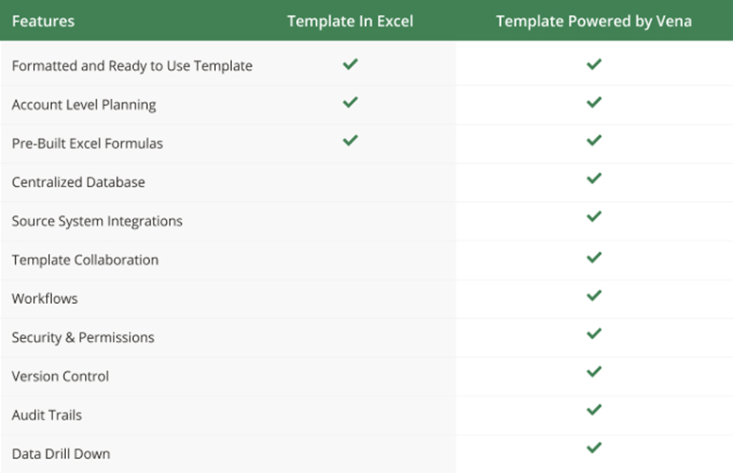
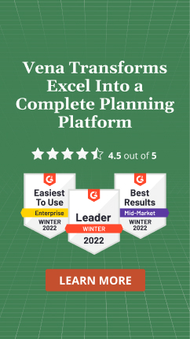
Instructions
Using Vena Excel Templates in 'Basic' Excel
Product Manufacturing & Inventory Profitability Optimization

Apply your own colors & branding
Go to 'Page Layout', then 'Themes' to select from other color formats and fonts.
Go to 'Home', then 'Cell styles' to reformat the appearance and colors of different included cell types.

Overview
This template allows you to plan what products you should build from an inventory of product parts to maximize profitibility.

Set-Up
Fill in the scenarios and locations that you want to plan product build allocations for in the assumptions below.
Also fill in the parts and product lists with your own products and the parts they are constructed from.
Then select the month, year, scenario, and location that you want to plan for in the drop downs below.
These selections will automatically populate in the following sheets.
Contact a Vena rep to learn how any selection of these choices will automatically populate the appropriate data with Vena.

Input Tabs (Product Price & Demand / Inventory & Cost / Product Build Requirements)
Fill in the demand of each product as well as the price the product is sold at.
Fill in the current inventory of each part, and the cost that each part was purchased for.
Fill in the product build requirements form, indicating which parts and how many of them are required to build each product.

Build Allocation
This sheet automatically pulls in the data that was set up in the input tabs, calculating all costs and profits between the products and constituent parts.
The next section provides a suggested build quantity of a product to be produced from the current inventory of parts.
The intersection where this suggested contribution should be entered is highlighted in green for your convenience.
Simply enter the suggested build quantity in the green highlighted cell until there are no remaining profitable or possible builds.
Now you have optimized product builds from constituent parts for maximum profitability.
Surrounding this matrix, you can see the % Utilization of Product Demand & Parts Inventory, to give you more insight into the allocations and help inform changes.
Contact a Vena rep to learn how to automate this build allocation process with Vena.

Combine with other Entities / Departments / Cost Centers / Profit Centers
Aggregate sheets together using excel logic
Contact a Vena rep to learn more about automatically aggregating your labour expenses

Assumptions

Scenarios | Location | Month | Parts | Products
Budget | Location A | 3▾ | Part 1 | Product 1
Approved Budget | Location B | Year | Part 2 | Product 2
Forecast | Location C | 2023▾ | Part 3 | Product 3
What If 1 | Location D | Scenario | Part 4 | Product 4
What If 2 | Location E | Budget | Part 5 | Product 5
 |  | Locatio | Part 6 | Product 6
 |  | Location A | Part 7 | Product 7
 |  |  | Part 8 | Product 8
 |  |  | Part 9 | Product 9
 |  |  | Part 10 | Product 10

