Instructions

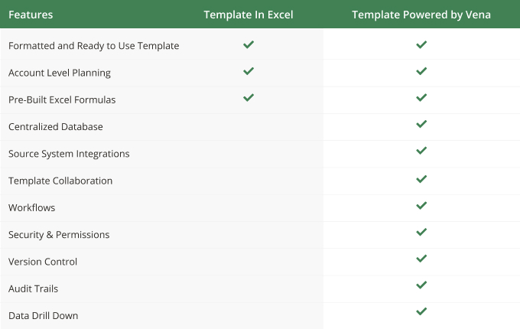

Instructions
Using Vena Excel Templates in 'Basic' Excel
Bill of Materials

Apply your own colors & branding
Go to 'Page Layout', then 'Themes' to select from other color formats and fonts.
Go to 'Home', then 'Cell styles' to reformat the appearance and colors of different included cell types.

Construct a Bill of Materials
Add all products/materials you are planning for.
On the Product Construction tab, add the product configurations and material costs by month to calculate the total cost per product.
On the Bill of Materials tab, select the product(s) that you like to consider and input the monthly predicted production limit.
Use the calculated total materials required and total material cost to plan your business operations.

Combine with other Entities / Departments / Cost Centers / Profit Centers
Aggregate sheets together using excel logic
Contact a Vena rep to learn more about automatically aggregating your total materials required and total material costs.

Product List | Material List
All Products | Material 1
Product Category 1 | Material 2
Product 1 | Material 3
Product 2 | Material 4
Product 3 | Material 5
Product Category 2
Product 4
Product 5
Product 6
Product Category 3
Product 7
Product 8
Product 9

Bill of Materials
Bill of Materials
Product: | All Products | UOM |  | 2022-01-01 | 2022-02-01 | 2022-03-01 | Q1 '22 | 2022-04-01 | 2022-05-01 | 2022-06-01 | Q2 '22 | 2022-07-01 | 2022-08-01 | 2022-09-01 | Q3 '22 | 2022-10-01 | 2022-11-01 | 2022-12-01 | Q4 '22 | Full Year '22

Monthly Total Material Cost ($)
 | Monthly Total Material Cost
2022-01-01 | $93,306
2022-02-01 | $155,359
2022-03-01 | $121,071
2022-04-01 | $150,747
2022-05-01 | $173,566
2022-06-01 | $166,162
2022-07-01 | $232,130
2022-08-01 | $215,745
2022-09-01 | $197,842
2022-10-01 | $254,889
2022-11-01 | $314,970
2022-12-01 | $334,876

Predicted Production
Production Limit |  | EA |  | 1,250 | 2,000 | 1,500 | 4,750 | 1,800 | 2,000 | 1,850 | 5,650 | 2,500 | 2,250 | 2,000 | 6,750 | 2,500 | 3,000 | 3,100 | 8,600 | 25,750

Per Unit Material
Material 1 |  | kg | 2.30
Material 2 |  | kg | 3.55
Material 3 |  | kg | 1.95
Material 4 |  | kg | 3.70
Material 5 |  | kg | 1.27

Total Required Materials
Material 1 |  | kg |  | 2,875.0 | 4,600.0 | 3,450.0 | 10,925.0 | 4,140.0 | 4,600.0 | 4,255.0 | 12,995.0 | 5,750.0 | 5,175.0 | 4,600.0 | 15,525.0 | 5,750.0 | 6,900.0 | 7,130.0 | 19,780.0 | 59,225.0
Material 2 |  | kg |  | 4,437.5 | 7,100.0 | 5,325.0 | 16,862.5 | 6,390.0 | 7,100.0 | 6,567.5 | 20,057.5 | 8,875.0 | 7,987.5 | 7,100.0 | 23,962.5 | 8,875.0 | 10,650.0 | 11,005.0 | 30,530.0 | 91,412.5
Material 3 |  | kg |  | 2,437.5 | 3,900.0 | 2,925.0 | 9,262.5 | 3,510.0 | 3,900.0 | 3,607.5 | 11,017.5 | 4,875.0 | 4,387.5 | 3,900.0 | 13,162.5 | 4,875.0 | 5,850.0 | 6,045.0 | 16,770.0 | 50,212.5
Material 4 |  | kg |  | 4,625.0 | 7,400.0 | 5,550.0 | 17,575.0 | 6,660.0 | 7,400.0 | 6,845.0 | 20,905.0 | 9,250.0 | 8,325.0 | 7,400.0 | 24,975.0 | 9,250.0 | 11,100.0 | 11,470.0 | 31,820.0 | 95,275.0
Material 5 |  | kg |  | 1,587.5 | 2,540.0 | 1,905.0 | 6,032.5 | 2,286.0 | 2,540.0 | 2,349.5 | 7,175.5 | 3,175.0 | 2,857.5 | 2,540.0 | 8,572.5 | 3,175.0 | 3,810.0 | 3,937.0 | 10,922.0 | 32,702.5

Total Material Cost
Material 1 |  |  |  | $28,750 | $46,920 | $35,880 | $111,550 | $43,884 | $49,680 | $46,805 | $140,369 | $64,400 | $58,995 | $53,360 | $176,755 | $67,850 | $82,800 | $86,986 | $237,636 | $666,310
Material 2 |  |  |  | $22,188 | $39,050 | $31,950 | $93,188 | $41,535 | $49,700 | $49,256 | $140,491 | $71,000 | $67,894 | $63,900 | $202,794 | $84,313 | $106,500 | $115,553 | $306,365 | $742,838
Material 3 |  |  |  | $6,094 | $10,725 | $8,775 | $25,594 | $11,408 | $13,650 | $13,528 | $38,586 | $19,500 | $18,647 | $17,550 | $55,697 | $23,156 | $29,250 | $31,736 | $84,143 | $204,019
Material 4 |  |  |  | $34,688 | $55,870 | $42,180 | $132,738 | $50,949 | $56,980 | $53,049 | $160,978 | $72,150 | $65,351 | $58,460 | $195,961 | $73,538 | $88,800 | $92,334 | $254,671 | $744,348
Material 5 |  |  |  | $1,588 | $2,794 | $2,286 | $6,668 | $2,972 | $3,556 | $3,524 | $10,052 | $5,080 | $4,858 | $4,572 | $14,510 | $6,033 | $7,620 | $8,268 | $21,920 | $53,150
Totals |  |  |  | $93,306 | $155,359 | $121,071 | $369,736 | $150,747 | $173,566 | $166,162 | $490,476 | $232,130 | $215,745 | $197,842 | $645,717 | $254,889 | $314,970 | $334,876 | $904,735 | $2,410,663

