Instructions
Instructions
Using Vena Excel Reports in 'Basic' Excel
Monthly Occupancy Report Powered By Delbridge Solutions

Populate your data
Choose a property, year and period
Unit Measure Data Pull tab will show all units of the selected property, with details such as unit category, unit type, and area
Lease Measure Data Pull tab will show all tenant specific lease data of the selected property with details such as customer name, lease type, lease from and to dates, lease status, rent price, and area
Monthly Occupancy tab will correlate the tenant specific lease data in the Lease Measure Data Pull tab to the unit details the customer is occupying

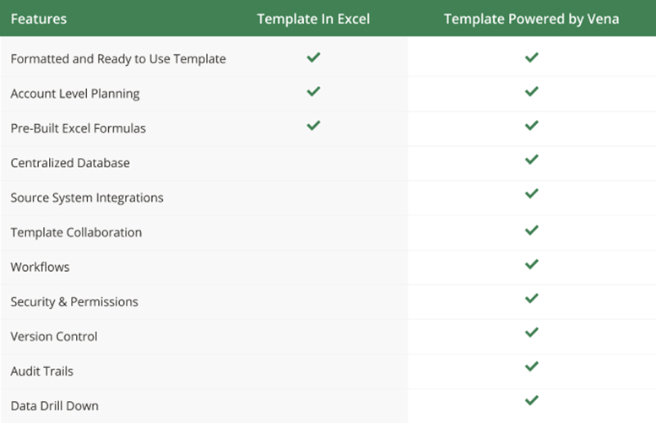


Property Chosen: | Sesame Street Mall
Period: | 9 (September)
Year | 2023

