Instructions
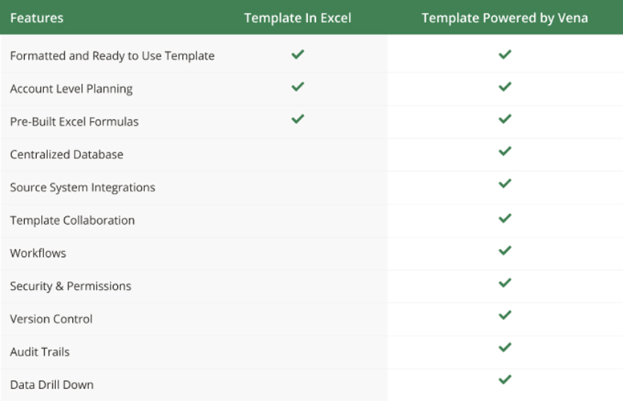

Instructions
Using Vena Excel Templates in 'Basic' Excel
Manufacturing Forecasting & Order Planning

Apply your own colors & branding
Go to 'Page Layout', then 'Themes' to select from other color formats and fonts.
Go to 'Home', then 'Cell styles' to reformat the appearance and colors of different included cell types.

Set-Up
Put any product SKUs and associated product names in the assumptions input below.
This will automatically feed the predictive forecasting tab with options to select each of these products.
Select the year and product that you want to demand plan for, and put your product's actuals in the unit sales row.
Contact a Vena rep to learn how any selection of year or product specific data can automatically populate with Vena

Predictive Forecasting
In this sheet you can predictively forecast the demand for a product based on prior year actuals.
To do so, you select the desired forecasting method from the drop down.
The model will suggest a forecasting method based on which had the highest historical accuracy, but you may choose others.
You can also change the confidence interval which will affect the upper and lower bounds of the forecast shown in the graph.
If you wish to see these forecast calculations, expand the calculations grouping at the bottom.
This model also allows for stock & order planning by changing the Pallet Size & Turnaround Time inputs.
The model will automatically suggest the number of pallets to order each month to maintain enough stock to satisfy demand.
Finally, the graph and associated metrics help visualize prior year actuals and associated forecasts.

Combine with other Entities / Departments / Cost Centers / Profit Centers
Aggregate sheets together using excel logic
Contact a Vena rep to learn more about automatically aggregating your labour expenses

Assumptions

Product SKU | Product Name
SKU00001 | Product 1
SKU00002 | Product 2
SKU00003 | Product 3
SKU00004 | Product 4
SKU00005 | Product 5
SKU00006 | Product 6

Predictive Forecasting
Predictive Forecasting Model
2022 |  |  | Actual | Predicted Forecast |  |  |  |  |  |  |  |  |  |  |  | P. Forecast
SKU00001 |  |  | 2022 Total | Jan-22 | Feb-22 | Mar-22 | Apr-22 | May-22 | Jun-22 | Jul-22 | Aug-22 | Sep-22 | Oct-22 | Nov-22 | Dec-22 | 2022 Total

SKU00001, | Product 1
 |  | Opening Stock | AVG: 942 | 1,004 | 1,105 | 1,159 | 1,251 | 1,300 | 1,302 | 1,342 | 1,460 | 1,411 | 1,520 | 1,586 | 1,605 | AVG: 1337
Recommended Method | Seasonal | Arriving Next Month | 5,280 | 720 | 720 | 720 | 720 | 720 | 720 | 840 | 720 | 840 | 840 | 840 | 840 | 9,240
Forecast Method | Seasonal | Unit Sales | 6,076 | 619 | 666 | 628 | 671 | 718 | 680 | 722 | 769 | 731 | 774 | 821 | 783 | 8,582
Historical Accuracy | 97.53% | Baseline | 5,576 | 609 | 646 | 588 | 591 | 628 | 600 | 662 | 719 | 711 | 754 | 801 | 773 | 8,082
Rank | 1 | Promotional | 500 | 10 | 20 | 40 | 80 | 90 | 80 | 60 | 50 | 20 | 20 | 20 | 10 | 500
Confidence Interval | 95% | Closing Stock | AVG: 436 | 385 | 439 | 531 | 580 | 582 | 622 | 620 | 691 | 680 | 746 | 765 | 822 | AVG: 622
 |  | On Order | AVG: 940 | 1,440 | 1,440 | 1,440 | 1,440 | 1,440 | 1,560 | 1,560 | 1,560 | 1,680 | 1,680 | 1,680 | 1,800 | AVG: 1560
Pallet Turnaround Time (M) | 2▾ | Suggested Order | 6,030 | 652 | 699 | 661 | 704 | 751 | 713 | 755 | 802 | 764 | 807 | 854 | 816 | 8,978
Pallet Size | 120 | # Pallets Ordered | 56 | 6 | 6 | 6 | 6 | 7 | 6 | 7 | 7 | 7 | 7 | 8 | 7 | 80
Avg Forecast Monthly Sales
 |  | Actual Unit Order | 6,720 | 720 | 720 | 720 | 720 | 840 | 720 | 840 | 840 | 840 | 840 | 960 | 840 | 9,600
Unit Sales Forecast
 | Unit Sales (Actuals) | Predictive Forecast | Upper Bound | Lower Bound
2022-01-01 | 420 | 413
2022-02-01 | 465 | 460
2022-03-01 | 428 | 423
2022-04-01 | 461 | 465
2022-05-01 | 503 | 512
2022-06-01 | 464 | 474
2022-07-01 | 505 | 516
2022-08-01 | 532 | 563
2022-09-01 | 524 | 525
2022-10-01 | 538 | 568
2022-11-01 | 639 | 615
2022-12-01 | 597 | 597 | 597 | 597
2023-01-01 |  | 619 | 654 | 584
2023-02-01 |  | 666 | 701 | 631
2023-03-01 |  | 628 | 664 | 592
2023-04-01 |  | 671 | 707 | 635
2023-05-01 |  | 718 | 754 | 682
2023-06-01 |  | 680 | 716 | 644
2023-07-01 |  | 722 | 759 | 685
2023-08-01 |  | 769 | 806 | 732
2023-09-01 |  | 731 | 768 | 694
2023-10-01 |  | 774 | 812 | 736
2023-11-01 |  | 821 | 859 | 783
2023-12-01 |  | 783 | 821 | 745
715

Avg Forecast Monthly Change
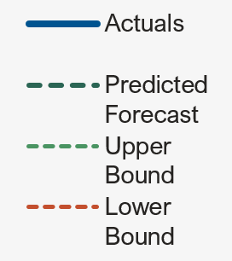

16.49

Historical Accuracy

97.53%

 |  | Forecast Calculations

