Instructions
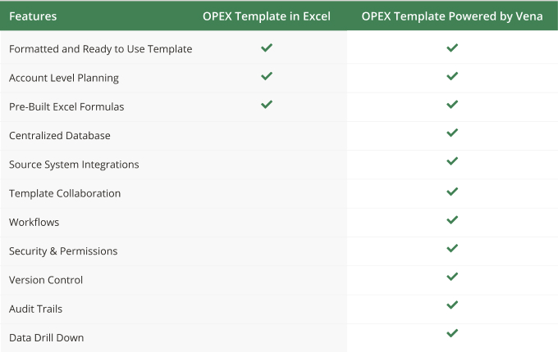
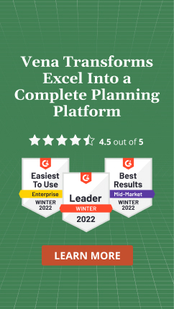
Instructions
Using Vena Excel Templates in 'Basic' Excel
Statistical Forecasting

Apply your own colors & branding
Go to 'Page Layout', then 'Themes' to select from other color formats and fonts.
Go to 'Home', then 'Cell styles' to reformat the appearance and colors of different included cell types.

Compile a Forecast
Follow the tips in the 'Input' tab to add your dataset
Apply layers of adjustments related to trends and seasonality that are observed in your actuals
Output a combined seasonal forecast, add additional row sets for new projections related to products, customers, supply, etc.

Submit for Approvals
Leverage the Summary as a validation tool
Submit the plan to executives for approval

Combine with other Entities / Departments / Cost Centers / Profit Centers
Aggregate sheets together using excel logic
Contact a Vena rep to learn more about statistical forecasting using Excel or dedicated ML/AI tools

